SAP Parameters
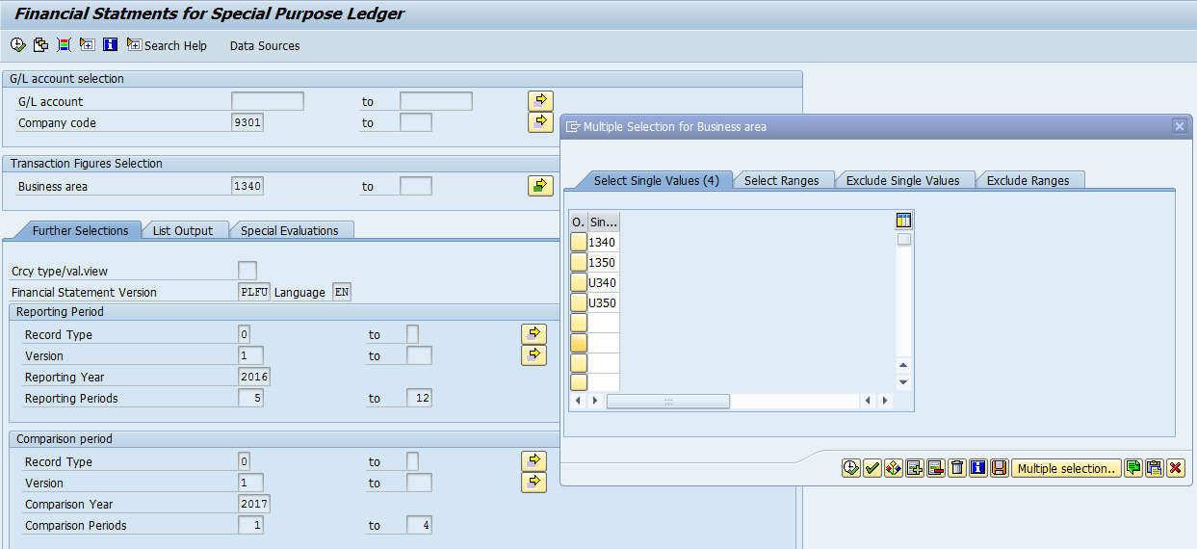
NY STATE ELECTRIC & GAS COMPANY
Annual Compliance - Twelve months ended April 30, 2017

SAP Report, Transaction ZFIM061 - GAAP Income Statement
NYSEG Gas

Parameters for ZFIM061:

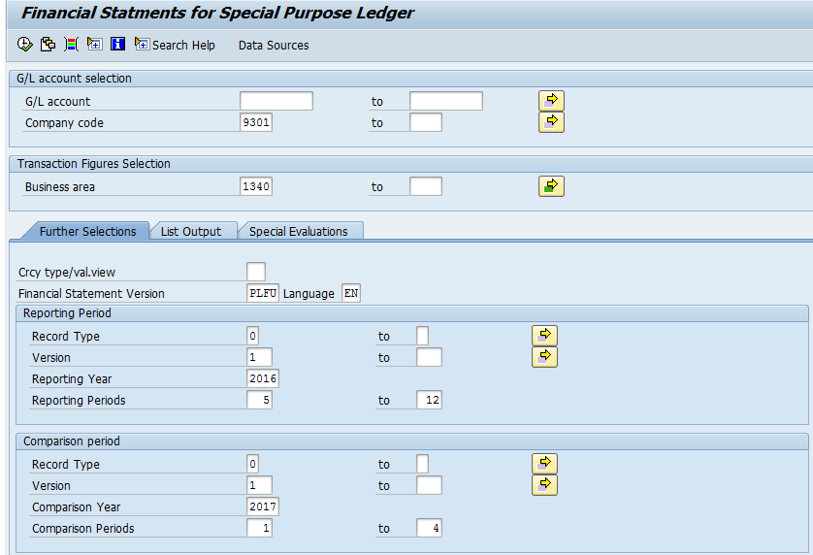

 | Include Business areas related to Gas just to get NYSEG Gas:

